Worksheet
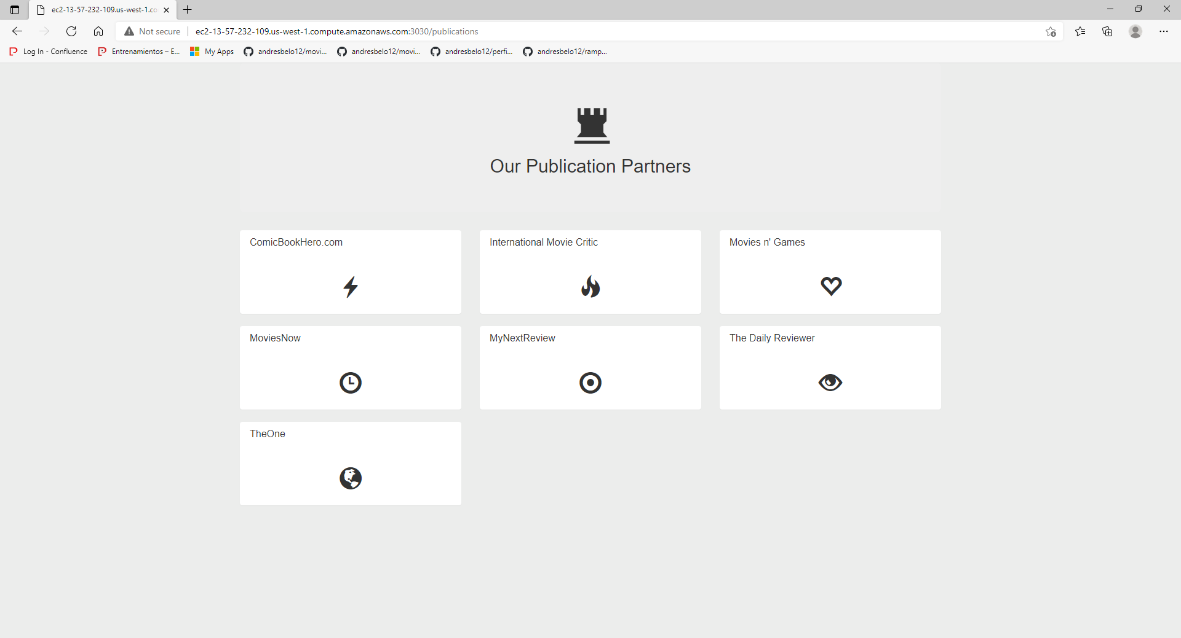
Group hierarchy | Region | Description | Service | Upfront | Monthly | First 12 months total | Currency | Configuration summary
My Estimate,US East (Ohio),,Amazon RDS for MySQL,0,1382.7,16592.40,USD,"Storage for each RDS instance (Magnetic (previous generation)), Storage amount (30 GB), Quantity (1), Instance type (db.r3.4xlarge), Deployment option (Single-AZ), Pricing strategy (OnDemand)"
My Estimate,US East (Ohio),,Amazon EC2,0,541.3131999999999,6495.76,USD,"Operating system (Linux), Storage amount (10 GB), DT Inbound: Internet (1 TB per month), DT Inbound: All other regions (1 TB per month), DT Outbound: Internet (2 TB per month), DT Outbound: All other regions (2 TB per month), DT Intra-Region: (1 TB per month), Workload (Monthly, Baseline: 8, Peak: 100, Duration of peak: 3 Day 0 Hr 0 Min), Snapshot Frequency (2x Daily), Amount changed per snapshot (3 GB), Advance EC2 instance (t3a.small), Pricing strategy (EC2 Instance Savings Plans 1 Year None upfront)"
My Estimate | US East (Ohio) |  | Application Load Balancer | 0 | 67.89 | 814.68 | USD | Number of Application Load Balancers (2)
My Estimate | US East (Ohio) |  | Amazon Virtual Private Cloud (VPC) | 0 | 65.78 | 789.36 | USD | Number of NAT Gateways (2)

Acknowledgement
* AWS Pricing Calculator provides only an estimate of your AWS fees and doesn't include any taxes that might apply. Your actual fees depend on a variety of factors | including your actual usage of AWS services.
This is the cost for a mid avaibilty architecture, supporting between 2.000 and 25.000 per second.

